Commentary and tables from pub
Return to Contents

Classes and Pupils 2018 - Commentary and tables from Summary Statistics for Schools in Scotland, No 9 : 2018 Edition
12.1% of P1-P3 pupils were taught in classes of 18 or fewer compared to 12.2% in 2017.
23.5 Average class size for pupils in primary school – this remains the same as 2016 and 2017.

Table 4.1 shows average class sizes for pupils in primary school alongside the overall primary school average. In 2018 the overall average for primary remained at 23.5, unchanged from 2017 and 2016. The average class size for P1-P3 also remained the same as 2017 at 23.2. The average class size for P4-7 decreased slightly from 26.0 in 2017 to 25.9. Data on class sizes in the secondary sector are not collected as class size varies widely across subjects

Table 4.1: Average class size of primary school pupils(1)
Headcount
Stage | 2012 | 2013 | 2014 | 2015 | 2016 | 2017 | 2018
P1 | 20.6 | 21.2 | 21.2 | 21.1 | 21.2 | 21.0 | 20.9
P2 | 23.3 | 24.0 | 23.9 | 24.1 | 24.0 | 23.9 | 23.9
P3 | 24.0 | 24.5 | 24.7 | 24.8 | 24.7 | 24.7 | 24.6
P4 | 25.3 | 25.7 | 25.9 | 26.0 | 26.0 | 26.0 | 25.7
P5 | 25.3 | 25.7 | 25.8 | 26.0 | 26.1 | 26.1 | 26.1
P6 | 25.2 | 25.3 | 25.5 | 25.8 | 26.0 | 26.1 | 26.0
P7 | 25.0 | 25.2 | 25.4 | 25.4 | 25.8 | 25.9 | 26.0

P1-P3 | 22.6 | 23.2 | 23.3 | 23.3 | 23.3 | 23.2 | 23.2
P4-P7 | 25.2 | 25.5 | 25.7 | 25.8 | 26.0 | 26.0 | 25.9

Primary | 22.7 | 23.2 | 23.3 | 23.4 | 23.5 | 23.5 | 23.5
(1) Data refers to the average class size of pupils in each stage, not the average class size of single stage classes. The total primary average class size is calculated on a different basis to all the other class sizes shown, see background notes for details.

Table 4.2 shows the number of P1-P3 pupils in publicly funded schools in various class sizes. It is a Scottish Government aspiration to reduce P1-P3 class sizes to 18 or fewer.

In 2018, 20,613 (12.1 per cent) of P1-P3 pupils were taught in classes of 18 or fewer. This is down from 20,997 (12.2 per cent) in 2017. The number of pupils taught n classes of 26 or more decreased from 44,965 in 2017 to 44,712. However, this represents 26.3 per cent of pupils, a higher proportion than the 26.1 per cent recorded in 2017.

Table 4.2: P1-P3 pupils by class size(1)
Headcount
Class size | 2012 | 2013 | 2014 | 2015 | 2016 | 2017 | 2018
1 - 18 | 31,101 | 22,992 | 22,138 | 20,999 | 21,906 | 20,997 | 20,613
19 - 25 | 95,898 | 102,849 | 103,968 | 104,426 | 104,517 | 106,023 | 104,453
26 - 30 | 37,805 | 42,908 | 45,539 | 46,489 | 45,486 | 44,340 | 44,362
31 or more | 473 | 736 | 470 | 658 | 807 | 625 | 350
% in classes of 18 or fewer or in 2 teacher classes of 36 or fewer | 18.8 | 13.6 | 12.9 | 12.2 | 12.7 | 12.2 | 12.1
(1) The percentage of P1-P3 pupils in classes of 18 or fewer includes two-teacher classes with 36 or fewer. Classes taught by two teachers at all times are treated as two classes of half the size.

Legislation was introduced in November 2010 to limit class sizes for P1 pupils to 25. Table 4.3 shows the number of P1 pupils by class size. Some P1 pupils may be in classes of over 25 due to the inclusion of one or more ‘excepted pupil’ (see background note). In 2018 the number of pupils in classes of 26 or more was 511; this is a reduction from 631 in 2017.

Table 4.3: P1 pupils by class size
Headcount
Class size | 2012 | 2013 | 2014 | 2015 | 2016 | 2017 | 2018
1 - 18 | 15,713 | 11,968 | 11,558 | 11,213 | 11,737 | 11,925 | 11,326
19 - 25 | 40,468 | 44,864 | 45,544 | 45,307 | 45,102 | 44,195 | 43,254
26 or more | 503 | 560 | 451 | 637 | 698 | 631 | 511

Table 4.4 shows that the percentage of P1-P3 pupils in classes of 18 or fewer varies considerably between local authorities and years. One of the main reasons for this is the differing proportions of schools with a small number of pupils between local authorities.

Table 4.4: P1-P3 pupils in classes of size 18 or fewer or in two teacher classes with a pupil teacher ratio of 18 or fewer
Percentage Headcount
Local Authority | 2012 | 2013 | 2014 | 2015 | 2016 | 2017 | 2018
Aberdeen City | 16.4 | 16.1 | 11.2 | 10.6 | 11.0 | 13.0 | 9.9
Aberdeenshire | 13.1 | 14.9 | 13.3 | 12.4 | 14.7 | 17.7 | 16.0
Angus | 20.4 | 21.0 | 23.1 | 22.4 | 19.6 | 16.5 | 20.1
Argyll & Bute | 45.5 | 45.4 | 34.9 | 24.2 | 27.2 | 27.1 | 34.6
Clackmannanshire | 19.0 | 16.1 | 17.8 | 11.8 | 19.7 | 14.1 | 11.8

Dumfries & Galloway | 20.4 | 12.0 | 16.4 | 13.6 | 17.1 | 22.0 | 20.2
Dundee City | 28.5 | 9.4 | 2.8 | 3.4 | 2.6 | 4.4 | 3.1
East Ayrshire | 19.5 | 7.6 | 13.0 | 9.5 | 11.1 | 9.9 | 8.3
East Dunbartonshire | 21.2 | 21.8 | 11.3 | 10.6 | 12.9 | 10.3 | 10.5
East Lothian | 4.0 | 4.3 | 6.3 | 6.0 | 4.2 | 6.5 | 8.8

East Renfrewshire | 35.6 | 7.6 | 15.7 | 9.5 | 16.5 | 12.6 | 11.9
Edinburgh, City of | 15.3 | 7.0 | 7.2 | 6.1 | 5.7 | 6.0 | 5.2
Na h-Eileanan Siar | 51.7 | 39.8 | 48.0 | 51.3 | 57.8 | 52.3 | 56.4
Falkirk | 8.5 | 4.9 | 6.3 | 8.5 | 5.6 | 7.9 | 8.8
Fife | 27.4 | 24.1 | 22.9 | 20.8 | 20.8 | 11.6 | 7.1

Glasgow City | 10.1 | 3.8 | 3.7 | 3.6 | 4.2 | 5.5 | 6.5
Highland | 20.3 | 18.4 | 18.1 | 20.5 | 19.1 | 18.1 | 18.8
Inverclyde | 12.3 | 9.3 | 10.0 | 7.5 | 6.5 | 5.0 | 6.1
Midlothian | 5.0 | 7.7 | 11.7 | 10.3 | 16.7 | 11.2 | 16.2
Moray | 20.6 | 8.9 | 14.1 | 10.8 | 8.0 | 8.1 | 9.0

North Ayrshire | 11.6 | 7.2 | 7.6 | 10.8 | 13.0 | 9.9 | 10.9
North Lanarkshire | 8.0 | 8.1 | 7.7 | 8.6 | 9.8 | 11.4 | 8.9
Orkney Islands | 33.4 | 27.2 | 29.6 | 22.6 | 19.8 | 24.7 | 24.8
Perth & Kinross | 20.7 | 15.7 | 15.1 | 14.3 | 14.7 | 11.0 | 11.8
Renfrewshire | 36.5 | 6.9 | 10.8 | 11.9 | 13.3 | 14.4 | 16.1

Scottish Borders | 22.6 | 21.6 | 12.7 | 14.3 | 10.3 | 14.4 | 12.5
Shetland Islands | 24.5 | 26.5 | 31.2 | 25.5 | 33.9 | 32.2 | 36.2
South Ayrshire | 23.4 | 20.2 | 17.8 | 24.6 | 19.5 | 20.1 | 15.4
South Lanarkshire | 23.9 | 22.9 | 17.7 | 16.1 | 15.5 | 16.8 | 19.2
Stirling | 24.9 | 17.4 | 15.2 | 17.4 | 14.9 | 11.3 | 10.0

West Dunbartonshire | 15.9 | 9.9 | 13.3 | 13.6 | 16.2 | 14.0 | 19.2
West Lothian | 24.4 | 20.3 | 17.0 | 13.6 | 16.3 | 14.7 | 17.1

Scotland1 | 18.8 | 13.6 | 12.9 | 12.2 | 12.7 | 12.2 | 12.1
(1) The statistics for Scotland include one grant aided mainstream school.

Table 4.5 shows the pupil characteristics primarily used in equalities monitoring. In 2018, 84.7 per cent of pupils were recorded as being White-Scottish or White-other British. The largest other ethnic backgrounds include White-Other (5.4 per cent), Asian Pakistani (2 per cent) and mixed (1.4 per cent).

199,065 pupils (28.7 per cent of all pupils) had an additional support need (ASN) recorded. This is an increase of 2.1 percentage points on 2017 (183,491 pupils with an ASN record, 26.6 per cent of all pupils). This includes pupils in special schools and those in mainstream schools who are assessed or declared disabled or have a Co-ordinated Support Plan (CSP), Individualised Education Programme (IEP), Child Plan or some other type of support. Pupils may have more than one type of ASN, therefore the totals for ASN may not equal the sum of individual types of ASN.

Table 4.5: Pupil characteristics(1)
Headcount
 | Female | Male | Total

Total Pupils | 340,258 | 352,993 | 693,251

Ethnicity
White – Scottish | 269,082 | 278,651 | 547,733
White – Other British | 19,145 | 20,120 | 39,265
White – Gypsy/Traveller | 631 | 689 | 1,320
White - Other | 18,333 | 18,961 | 37,294

Mixed | 4,741 | 4,739 | 9,480

Asian – Indian | 2,995 | 3,153 | 6,148
Asian – Pakistani | 6,719 | 6,970 | 13,689
Asian – Bangladeshi | 542 | 563 | 1,105
Asian – Chinese | 2,047 | 2,030 | 4,077
Asian – Other | 1,942 | 2,008 | 3,950

Caribbean/Black | 564 | 621 | 1,185

African | 3,921 | 3,989 | 7,910

Other | 3,193 | 3,560 | 6,753

Not known / not disclosed | 6,363 | 6,848 | 13,211

English as an Additional Language | 21,103 | 23,208 | 44,311

Additional Support Needs (ASN)
CSP (Co-ordinated Support Plan) | 746 | 1,240 | 1,986
IEP (Individualised Education Programme) | 11,217 | 24,349 | 35,566
Child Plans | 14,451 | 24,985 | 39,436
Assessed/Declared Disabled | 5,526 | 11,921 | 17,447
Other(2) | 65,751 | 89,307 | 155,058
All pupils with ASN(3) | 81,373 | 117,692 | 199,065

All pupils with ASN (excluding Other type)(3) | 25,176 | 46,724 | 71,900
(1) Statistics for Ethnicity and English as an Additional Language do not include grant aided special schools as this information is not collected. There were 131 pupils at grant aided special schools in 2018.
(2) See the background note for further information on what this category includes
(3) Pupils may have more than one type of ASN, therefore the totals for ASN may not equal the sum of individual types of ASN.

Chart 1
Return to contents
Chart 1: Pupil numbers by sector, 1998-2018
 |  | Primary | Secondary | Special
 | 1998 | 437 | 313 | 8
 | 1999 | 431 | 315 | 8
 | 2000 | 425 | 318 | 8
 | 2001 | 421 | 316 | 8
 | 2002 | 414 | 317 | 8
 | 2003 | 406 | 318 | 8
 | 2004 | 398 | 318 | 7
 | 2005 | 390 | 316 | 7
 | 2006 | 383 | 313 | 7
 | 2007 | 376 | 310 | 7
 | 2008 | 371 | 304 | 7
 | 2009 | 367 | 303 | 7
 | 2010 | 365 | 301 | 7
 | 2011(1) | 366 | 297 | 7
 | 2012(1) | 371 | 294 | 7
 | 2013(1) | 377 | 289 | 7
 | 2014(1) | 385 | 285 | 7
 | 2015(1) | 391 | 282 | 7
 | 2016(1) | 397 | 281 | 7
 | 2017 | 400 | 282 | 7
 | 2018 | 400 | 286 | 7

(1) 2011-2016 special pupil figures were updated in November 2017. See background notes for details.

Chart 2
Return to contents

Chart 2: Pupils with Additional Support Needs in mainstream schools, primary and secondary, 2005-2018(1)
 |  | Primary |  |  |  |  |  |  |  |  |  |  |  |  |  | Secondary
 |  | 2005 | 2006 | 2007 | 2008 | 2009 | 2010 | 2011 | 2012 | 2013 | 2014 | 2015 | 2016(2) | 2017 | 2018 | 2005 | 2006 | 2007 | 2008 | 2009 | 2010 | 2011 | 2012 | 2013 | 2014 | 2015 | 2016(2) | 2017 | 2018
 | All the time in mainstream classes | 13,246 | 13,487 | 14,452 | 15,537 | 17,802 | 32,051 | 48,758 | 60,276 | 67,025 | 71,756 | 77,285 | 85,922 | 91,326 | 98,905 | 9,542 | 10,661 | 10,988 | 12,079 | 15,593 | 26,325 | 38,433 | 46,375 | 53,082 | 57,102 | 64,229 | 72,986 | 79,579 | 86,886
 | Some time spent in mainstream class | 1,852 | 2,001 | 1,552 | 1,573 | 1,583 | 1,624 | 1,691 | 1,650 | 1,715 | 1,750 | 1,751 | 1,703 | 1,858 | 1,485 | 2,027 | 2,067 | 1,844 | 1,702 | 1,545 | 1,771 | 1,674 | 1,620 | 1,457 | 1,469 | 1,568 | 1,603 | 2,172 | 2,580
 | No time in mainstream classes | 423 | 451 | 474 | 516 | 496 | 490 | 536 | 646 | 773 | 821 | 803 | 892 | 941 | 1,168 | 450 | 506 | 523 | 553 | 485 | 526 | 458 | 491 | 585 | 663 | 636 | 668 | 961 | 1,219
 | Total | 15,521 | 15,939 | 16,478 | 17,626 | 19,881 | 34,165 | 50,985 | 62,572 | 69,513 | 74,327 | 79,839 | 88,517 | 94,125 | 101,558 | 12,019 | 13,234 | 13,355 | 14,334 | 17,623 | 28,622 | 40,565 | 48,486 | 55,124 | 59,234 | 66,433 | 75,257 | 82,712 | 90,685

 | No time in mainstream classes | Some time spent in mainstream class | All the time in mainstream classes
2005 | 423 | 1,852 | 13,246
2006 | 451 | 2,001 | 13,487
2007 | 474 | 1,552 | 14,452
2008 | 516 | 1,573 | 15,537
2009 | 496 | 1,583 | 17,802
2010 | 490 | 1,624 | 32,051
2011 | 536 | 1,691 | 48,758
2012 | 646 | 1,650 | 60,276
2013 | 773 | 1,715 | 67,025
2014 | 821 | 1,750 | 71,756
2015 | 803 | 1,751 | 77,285
2016(2) | 892 | 1,703 | 85,922
2017 | 941 | 1,858 | 91,326
2018 | 1,168 | 1,485 | 98,905
2005 | 450 | 2,027 | 9,542
2006 | 506 | 2,067 | 10,661
2007 | 523 | 1,844 | 10,988
2008 | 553 | 1,702 | 12,079
2009 | 485 | 1,545 | 15,593
2010 | 526 | 1,771 | 26,325
2011 | 458 | 1,674 | 38,433
2012 | 491 | 1,620 | 46,375
2013 | 585 | 1,457 | 53,082
2014 | 663 | 1,469 | 57,102
2015 | 636 | 1,568 | 64,229
2016(2) | 668 | 1,603 | 72,986
2017 | 961 | 2,172 | 79,579
2018 | 1,219 | 2,580 | 86,886

 | (1) See background notes for information on changes to the recording and reporting of pupils with ASN.
 | (2) 2016 primary and secondary ASN figures were updated in November 2017. See background notes for details.

Chart 4
Return to contents
Chart 4: Pupils by ethnicity, 2018(1)

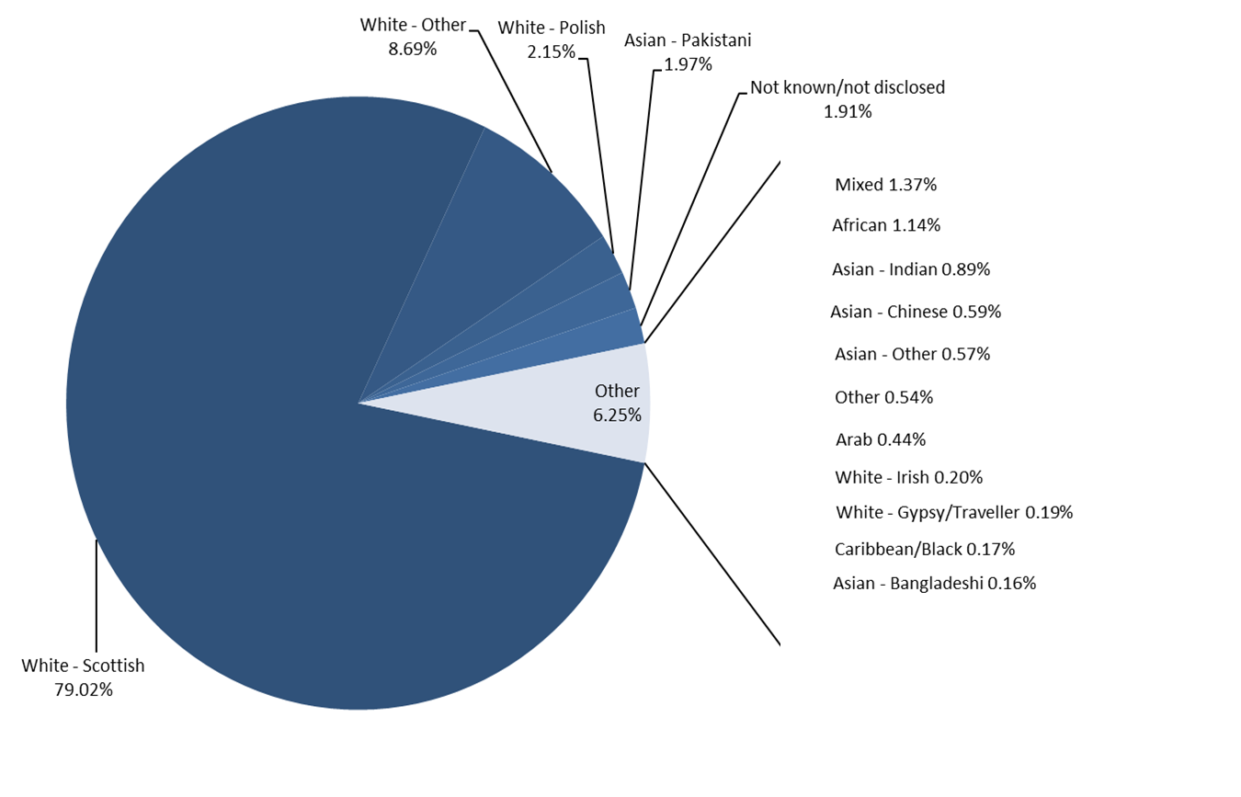

(1) Does not include grant aided special schools.

